Checklist (Calculator app)
 | Task
 | Write a checklist for the discount calculation application. The application consists of: - field for entering the amount - 'Calculate discount' button - a field that displays the size of the discount (see the screen below).
 | The discount amount depends on the amount of purchases: from 0 to 199 rubles - 0% from 200 to 499 rubles - 2% from 500 to 999 rubles - 3% from 1000 to 4999 rubles - 4% from 5000 rubles - 5%
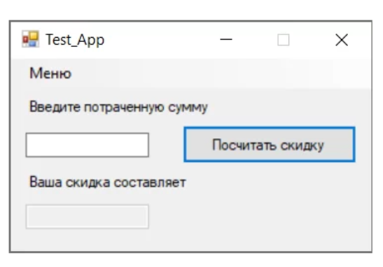

№ | Objective |  |  |  | Result
1 | Field 'Amount spent'
1.1 | Symbols
1.1.1 |  | Numbers
1.1.1.1 |  |  | Class 1
1.1.1.1.1 |  |  |  | Lower limit: 0
1.1.1.1.2 |  |  |  | Value inside class: 73
1.1.1.1.3 |  |  |  | Upper limit: 199
1.1.1.2 |  |  | Class 2
1.1.1.2.1 |  |  |  | Lower limit: 200
1.1.1.2.2 |  |  |  | Value inside class: 398
1.1.1.2.3 |  |  |  | Upper limit: 499
1.1.1.3 |  |  | Class 3
1.1.1.3.1 |  |  |  | Lower limit: 500
1.1.1.3.2 |  |  |  | Value inside class: 701
1.1.1.3.3 |  |  |  | Upper limit: 999
1.1.1.4 |  |  | Class 4
1.1.1.4.1 |  |  |  | Lower limit: 1000
1.1.1.4.2 |  |  |  | Value inside class: 3005
1.1.1.4.3 |  |  |  | Upper limit: 4999
1.1.1.5 |  |  | Class 5
1.1.1.5.1 |  |  |  | Lower limit: 5000
1.1.1.5.2 |  |  |  | Upper limit: 9437
1.1.1.6 |  |  | Negative number: -1
1.1.1.7 |  |  | Fractional number: 2222.55
1.1.2 |  | Other symbols
1.1.2.1 |  |  | Empty field
1.1.2.2 |  |  | Letters: xYz
1.1.2.3 |  |  | Special symbols: $+>=
1.1.2.4 |  |  | Space
1.1.2.5 |  |  | Valid number+space: 4 522
1.1.2.6 |  |  | Zero before number: 0360
1.2 |  | Maximum field length
1.2.1 |  |  | Maximum number of characters: 255
1.2.2 |  |  | Number of characters greater than the maximum: 256
1.3 |  | Ability to make changes
1.3.1 |  |  | After entering data in the field
1.3.2 |  |  | Before entering data in the field
1.3.3 |  |  | After clicking on the 'Calculate discount' button
2 | Field 'Discount amount'
2.1 |  | Inactive, does not allow changes
3 | Button 'Calculate discount'
3.1 |  | Activate multiple times in a row
4 | Menu
4.1 |  | Opens
4.2 |  | Contains all necessary items
4.3 |  | All items work as they should
5 | Window
5.1 |  | Ability to work in multiple windows
5.2 |  | Buttons
5.2.1 |  |  | Close
5.2.2 |  |  | Minimize
5.2.3 |  |  | Unfold
5.2.4 |  |  | Button 'Maximize' is disabled
5.3 |  | System menu
5.3.1 |  |  | Close
5.3.2 |  |  | Minimize
5.3.3 |  |  | Unfold
5.3.4 |  |  | Button 'Maximize' is disabled
5.3.5 |  |  | Minimize all
5.3.6 |  |  | Moving
5.4 |  | Context menu
5.4.1 |  |  | Opens
5.4.2 |  |  | Contains all necessary items
5.4.3 |  |  | All items work as they should.
5.5 |  | Window size
5.6 |  | Window is moving
6 | External view
6.1 |  | Matches the description in the requirements (mockups)
6.2 |  | Presence of typos
6.3 |  | Tooltips
6.3.1 |  |  | Are displayed
6.3.2 |  |  | Match
7 | Keyboard
7.1 |  | Hotkeys

